Connecting Rod
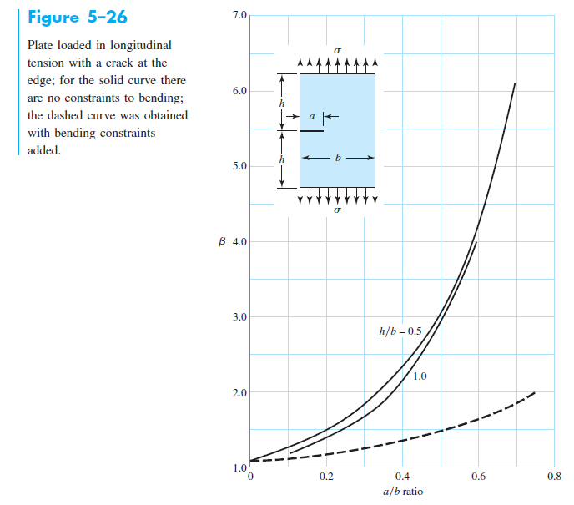
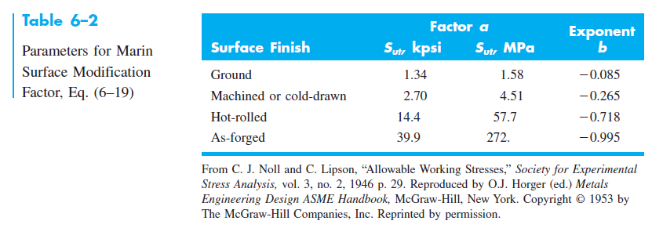
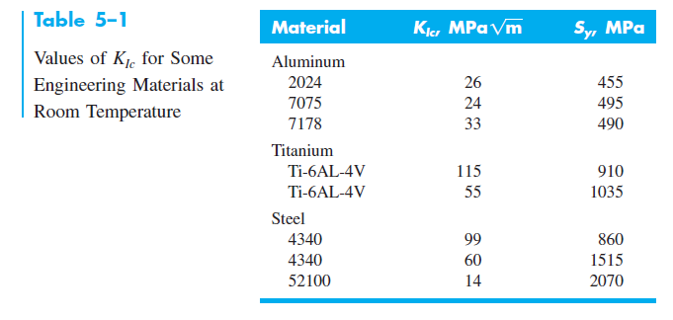
# | Material | Density [kg/m3] | Yield Str Sy [Pa] | Ult. Tens. Str. Sut [Pa] | Elastic Mod. E [Pa] | Frac. Tough. KIC [MPa m1/2] | C [m/cycle / Mpa m1/2] | m
1 | SAE 945A HSLA Steel | 7750 | 310000000 | 450000000 | 200000000000 | 80.21 | 6.89E-12 | 3
2 | 6061 Aluminium | 2700 | 276000000 | 310000000 | 68900000000 | 29 | 7.88E-09 | 3.97
3 | AISI 4130 Steel | 7850 | 435000000 | 670000000 | 205000000000
4 | Cast Iron

 | Connecting Rod Length, L | 0.16 | m |  | Pcyl,max | 8187000 | Pa |  | Buckling |  |  | Fatigue
 | Crank Arm Length, b | 0.05125 | m |  | xmax | 0 | m |  | Condition | 1.3030719305 | m | LEFM
 | Bore/depth | 0.1025 | m |  | Pcyl,min | 101325 | Pa |  |  |  |  | β | 1
 |  |  |  |  | xmin | 0.1025 | m |  | Pcr1 | 16449340.668 | N | Critical Crack Size, af | 0.33839340207 | m
 | Cross Section |  |  |  |  |  |  |  | Pcr2 | 492261.00515 | N | Initial Crack Size, a0 | 0.001 | m
 | Width, B | 0.04 | m |  | dpiston | 0.078846153846 | m |  |  |  |  | LEFM Fatigue Life, Nf | 3.3111841665E+15 | cycles
 | Height, H | 0.04 | m |  | Apiston | 0.0048825973102 | m2 |  | FoSBuckling | 3.9445151034
 | Ac | 0.0016 | m2 |  |  |  |  |  |  |  |  | Stress Life
 | Iarea | 2.1333333333E-07 | m4 |  |  |  |  |  |  |  |  | σxamplitude | 0 | Pa
 |  |  |  |  | Inertial Torque/Bending MomentMAX | 2.1794831565 | N m |  |  |  |  | σxmean | -77793379.168 | Pa
 | Mass | 1.984 | kg |  | Inertial Torque/Bending MomentMIN | 0 | N m
 | Imass | 0.016930133333 | kg m2 |  | Axial Force, F1Max | 124796.32914 | N |  |  |  |  | σbendamplitude | 102163.27296 | Pa
 |  |  |  |  | Axial Force, F1Min | 0 | N | #NUM! | (Using Pcyl,min) |  |  | σbendmean | -102163.27296 | Pa

 |  |  |  |  | σxNmax | -77997705.714 | Pa |  |  |  |  | σa' | 102163.27296 | Pa
 |  |  |  |  | σxNmin | 0 | Pa |  |  |  |  | σm' | 77895542.441 | Pa

 |  |  |  |  | σxBendingMax | -204326.54593 | Pa |  |  |  |  | a | 4.51
 |  |  |  |  | σxBendingMin | 0 | Pa |  |  |  |  | b | -0.265
 |  |  |  |  |  |  |  |  |  |  |  | ka | 0.022965464068
 |  |  |  |  | σxMax | -77793379.168 | Pa |  |  |  |  | kb | 1.2704841094
 |  |  |  |  | σxMin | 0 | Pa |  |  |  |  | Se' | 225 | MPa
 |  |  |  |  | ∆σ | -77793379.168 | Pa |  |  |  |  | Se | 6.5648828618 | MPa

 |  |  |  |  | FoSYielding | 3.9849149544 |  |  |  |  |  | FoSSoderberg | 3.747591757

